1. Title Page
[Customer&Sales Analysis]

Project Name: Instacart Groceries Basket
Date: March 2023
Analyst Name: Javier Sanchez-Agesta Sanchez

Contents:
Population Flow
Consistency checks
Wrangling steps
Column derivations
Visualizations
Recommendations

Data Source: “The Instacart Online Grocery Shopping Dataset 2017”, accessed from https://www.instacart.com/datasets/grocery-shopping-2017 on 18 March 2022

Proyect Objectives: Instacart wants to uncover information about patterns on their sales. Data analysis to derive insights and suggest strategies for better segmentation.

2. Population Flow
Title page

Population flow

Exclusion flag
Condition: max_order < 5
Obervations to be removed: 252
Final total count of order_products_all: 987

Orders_products_combined
Orders_products_merged
Orders_products_all

Total: 987
Total: 10000
Total: 987

3. Consistency checks
 |  |  |  | Title page
Consistency checks

Dataset | Missing values | Missing values treatment | Duplicates
orders | 206,209 NaN in days_since_prior_order | Created new column for first order flag | N/A
products | 16 NaN | Removed rows | 5 duplicates. Rows removed.
orders_products_prior | N/A | N/A | N/A
customers | N/A | N/A | N/A

4. Wrangling steps
 |  |  |  |  | Title page
Wrangling steps

Dataset | Columns dropped | Columns renamed | Columns' type changed | Comment/Reason
orders | eval set |  |  | No meaning
orders |  | order_dow as order_day_of_week | order_id to string | Not calculation field
orders |  |  | user_id to string | Not calculation field
customers | First name |  |  | PII Data
customers | Surname |  |  | PII Data

5. Column derivations
 |  |  |  | Title page

Column derivations and aggregations

Dataset | New column | Column/s it was derived from | Conditions
df_ords_prods_merged | price_range_loc | prices | if 'prices': < 5, 'Low-range product' 'if 'prices': >= 5 & 'prices' < 15, 'Mid-range product' 'if 'prices' >15, 'High-range product'
df_ords_prods_merged | busiest_day | orders_day_of_week | Categorise days of orders as 'Busiest day' (Sat), 'Least busy day' (Wed), or 'Regularly busy'(the rest)
df_ords_prods_merged | Busiest_days | orders_day_of_week | Categorise days of orders as 'Two_busiest_days' (Sat&Sun), 'Two_slowest_days' (Tue&Wed), or 'Normal days'(Mon, Thu&Fri)
df_ords_prods_merged | busiest_period_of_day | order_hour_of_day | Categorise orders based on the hour, dividing in 'Most busy hours', 'Average busy hours', 'Less busy hours'
ords_prods_merge | loyalty flag | max_order | if 'max_order' < 10, 'New customer' if 'max_order' > 10 & 'max_order' < 40, 'Regular customer' if 'max_order' > 40, 'Loyal customer'
ords_prods_merge | spending_flag | average_spending | if avg_order_cost_by_cust < 10, 'Low spender'; if avg_order_cost_by_cust >= 10, 'High spender'
ords_prods_merge | frequency_flag | frequency_orders | if 'frequency_orders' <= 10, 'Frequent customer' if 'frequency_orders' > 10 & 'frequency_orders' <= 20, 'Regular customer' if 'frequency orders' > 20, 'Non-frequent customer'
instacart | Shopping time | order_hour_of_day | Early birds (7-11), day shoppers(11-19), late buyers(19-23)
instacart | spender_flag | avg_order_cost_by_cust | if avg_order_cost_by_cust < 10, 'Low spender'; if avg_order_cost_by_cust >= 10, 'High spender'
instacart | region | state | Categorise states by region, dividing in 'Northeast', 'Midwest', 'South', 'West'
instacart | activity_flag | max_order | if max_order < 5, 'Low activity'; if max_order 5, 'Normal activity'
instacart | Income group | income | Categorise customers based on their income in 'Lower class', 'Medium class', 'Upper class' & 'Richionaires'
instacart | Parental group | dependants | if dependants = 0, 'No commits' if dependants = 1 = 'Spoilers' if dependants >= 2, 'Busy parents'
instacart | Week_day | orders_day_of_week | Categorise numbers from 0 to 6 to define the days of the week, where 0 = Saturday, 1 = Sunday, and so on.

6. Visualizations
 |  |  |  | Title page

Visualisations

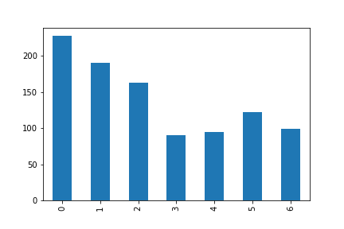
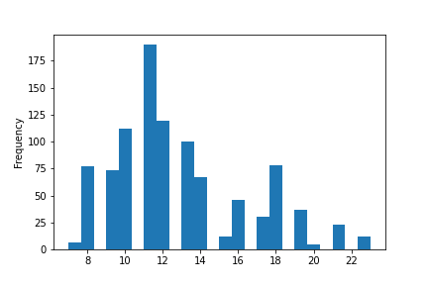
The sales team needs to know what the busiest days of the week and hours of the day are (i.e., the days and times with the most orders) in order to schedule ads at times when there are fewer orders

 |  | Saturday and Sunday are the busiest days of the week | Between 10am and 1pm are the busiest hours, being 11 the busiest one.

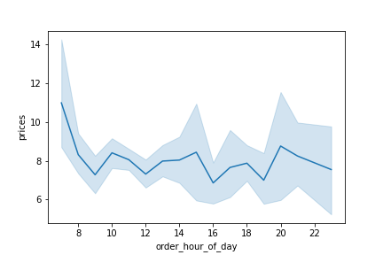

 |  |  | We can see the line is fluctuating along the whole day. The highest prices are paid around 7am, it could be due to the habits of the consumers shopping at that time. 9am-midday are the hours with less price paid as an average, what it could indicate that this timeframe might need extra marketing efforts. After that, the paid prices stay stable with just some peaks.

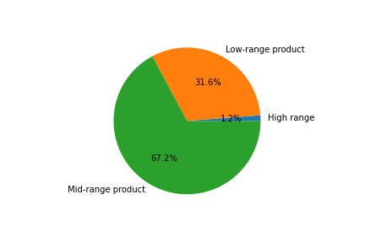
Instacart has a lot of products with different price tags. Marketing and sales want to use simpler price range groupings to help direct their efforts.

 |  |  | Products labels could have different colours depending on if they are classed as low, middle or high range price products.
 |  |  | More labelling for the mid range product is needed

Are there certain types of products that are more popular than others? The marketing and sales teams want to know which departments have the highest frequency of product orders
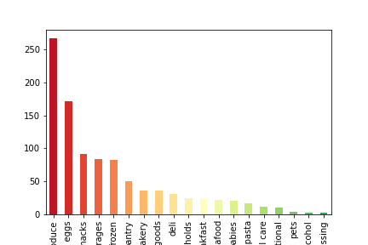

 |  |  | The most popular departments are, in this order, produce, dairy eggs, snacks, beverages and frozen. These departments should receive less marketing efforts to try to impulse the rest of sales.

What’s the distribution among users in regards to their brand loyalty (i.e., how often do they return to Instacart)?

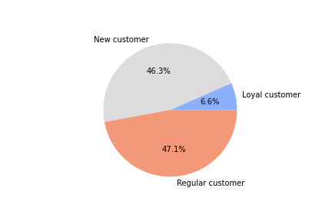

 |  |  | Most of Instacart customers are new or regular customers. It would be worth it to create a system such as points and discounts to reward to those loyal customers.

Are there differences in ordering habits based on a customer’s region?

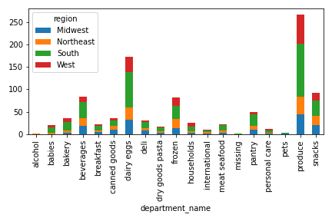

 |  |  | We can see some details that could lead certain marketing campaigs, but we would need to do a further analysis to determine real differences or habits between regions.

Is there a connection between age and family status in terms of ordering habits?
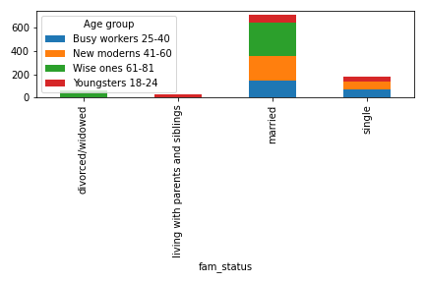

 |  |  | Yes, it looks like married customers are more likely to order in Instacart, no matter the age.

What different classifications does the demographic information suggest? Age? Income? Certain types of goods? Family status?
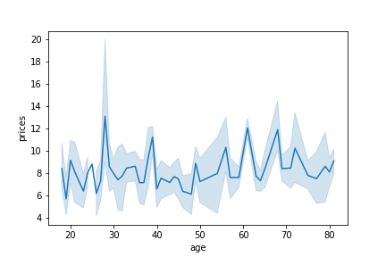
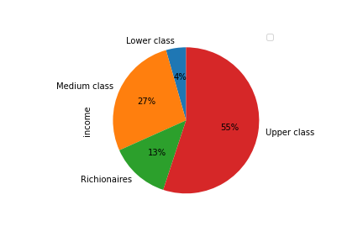

 | We can divide Instacart customers by the income they receive |  | No connection between age and number of dependents

7. Recommendations
 |  |  | Title page

Recommendations

QUESTION | The sales team needs to know what the busiest days of the week and hours of the day are (i.e., the days and times with the most orders) in order to schedule ads at times when there are fewer orders

ANSWER | Saturday and Sunday are the busiest days of the week. Between 10am and 1pm are the busiest hours, being 11 the busiest one.

RECOMMEND | Place at least three ads every day, one covering the early morning, one at 3pm and another one in the evening, and more throughout the whole day on Tues & Weds.
ORDERS BY DAYS
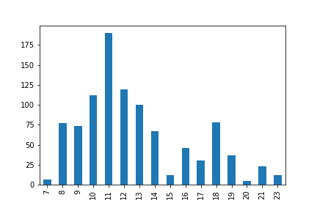
ORDERS BY HOUR

'0' represents Saturday, '1' is Sunday, and so on.
'3' & '4' are Tue & Wed and need more marketing efforts.

Evenings need more attention in terms of marketing. Only from 4 - 7pm it seems to be busy enough, rest of hours need more efforts.

QUESTION | They also want to know whether there are particular times of the day when people spend the most money, as this might inform the type of products they advertise at these times.

ANSWER | It seems like the highest prices are paid very early in the morning, and there are some peaks in the evening but nothing very significative. Busiest hours seem to have less price paid as an average.

RECOMMEND | Tailored advertisements at peak times of prime products to increment customer expenditure.

Prices paid are fluctuating throughout the day

QUESTION | Instacart has a lot of products with different price tags. Marketing and sales want to use simpler price range groupings to help direct their efforts.

ANSWER | It would be convenient to do different labels for the different ranges to establish a clear image on customer's minds

RECOMMEND | Different colour labelling for the different products. Gold premium labelling for high range, green for the mid range and blue for the low range.
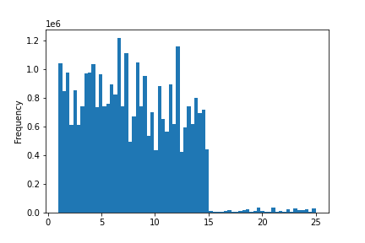

 |  |  | Premium labels for the high range products to increase value.
Range of products proportion

QUESTION | Are there certain types of products that are more popular than others? The marketing and sales teams want to know which departments have the highest frequency of product orders

ANSWER | The most popular departments are, in this order, produce, dairy eggs, snacks, beverages and frozen.

RECOMMEND | These departments should receive less marketing efforts to try to impulse the rest of sales. Customised ads for pets, alcohol, traditional and personal care.

QUESTION | What’s the distribution among users in regards to their brand loyalty (i.e., how often do they return to Instacart)?

ANSWER | Most of Instacart customers are new or regular, but the amount of loyal is still very small.

RECOMMEND | It is recommendable to launch loyalty campaigns in the form of loyalty card, points, discounts and weekly rewards for those registering to our programme.

 |  | The aim must be to convert those regular customers into loyal customers, and the new customers into regular customers.

 |  | Mention in marketing campaigns the excellent post-sale service that Instacart has, and ensure focus on this area.

QUESTION | Are there differences in ordering habits based on a customer’s region?

ANSWER | There is no apparent significant differences between the kind of products purchased in each of the regions. We would need a more detailed analysis by area to uncover different market niches.

RECOMMEND | Analyse likes through cookies and launch radio ads in those regions where sales are significantly less than the rest of regions.

QUESTION | Is there a connection between age and family status in terms of ordering habits?

ANSWER | In general terms, married customers tend to spend more on their orders. Within the married, the eldest generation is the one spending the most in average. It makes sense as there lifes are more stable and comfortable economically.

RECOMMEND | Launch promotions on single pack products, involving multipurchase, so single/widowed customers stack up provisions when ordering to take advantage of offers.

QUESTION | What different classifications does the demographic information suggest? Age? Income? Certain types of goods? Family status?

ANSWER | Income is definitely one of the ways we could divide our customers into. We can also relate them with age and family status. The more stable a customer's situation is, the more they will spend on their orders.

RECOMMEND | Create different profiles and assign a specific kind of advertisement to each of them. Make this ads the starting page on their app when they log to make an order.
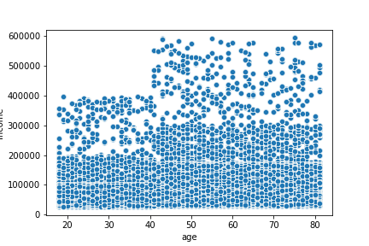
Age vs Income

 |  |  |  | CUSTOMER PROFILES FREQUENCY ON DATA SAMPLE

 |  |  |  | Custom_profile
 |  |  |  | Married, middle-high class, with dep 35
 |  |  |  | Married, middle-low class, with dep 26
 |  |  |  | Single, no dependents 16
 |  |  |  | Married, upper class, with dep 9
 |  |  |  | Young parent 3

